1GHz-18GHz
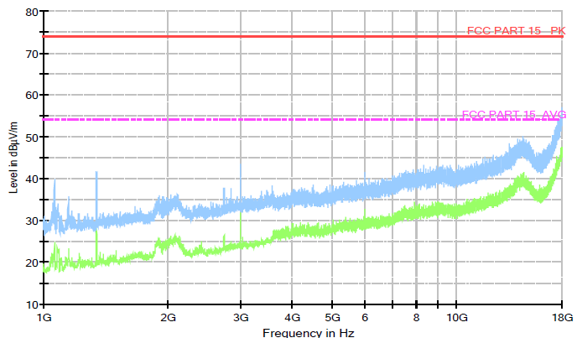
FCC PART 15 AVG (1GHz - 18 GHz)

SAMPLE CALCULATION
For this calculation, refer to the copied figure below from an EMC FCC test report.
These calculations are for the 1-18 GHz band.
On page 13 of the EMC FCC report, it states that resolution bandwidth (RBW) for the 1-18 GHz tests is 1 MHz, as shown below:
This implies that there are (18-1)/1E-3 = 17,000 sample points in the frequency sweep. This equates to a power boost in the signal level of:
10 x log10(17000) = 42.3 dB
If we assume that all devices pass the test for the FCC PART 15 AVG limit (54 dBµV/m from the plot above), then the maximum cumulative emission at the 3m test point over the 1-18 GHz band, Emax, should be:
Emax = 42.3 + 54 dBµV/m = 96.3 dBµV/m
We then convert Emax into units of V/m:
Emax = 10^(96.3/20) µV/m
= 65,347 µV/m
= 6.53E-2 V/m
Using a simple far field transformation (and assuming Emax is an rms, not peak, value) we calculate the equivalent power flux density, Smax, as:
Smax = |Emax|² / 377
= 6.53E-2² / 377
= 1.13E-5 W/m²
If we assume a Hertzian dipole as a source approximation of the device with a linear gain of 1.64 (i.e. 2.15 dB) and 3m from the test point, then we can calculate the radiated power as follows:
S = P.G/(4.pi.d²)
<=> P = 4.pi.d².S / G
= 4 x 3.142 x 3² x 1.13E-5 / 1.64
= 7.8E-4 W
P = 0.78 mW

30MHz-1GHz
FCC PART15 QP10m limit curve (30MHz - 1 GHz)

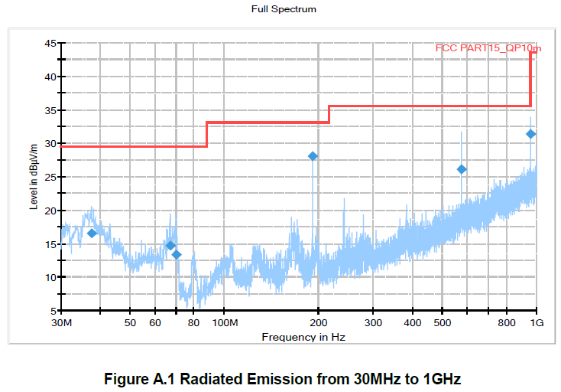

Frequency breakpoints
freq | limit level
1000.0 | 43.5
960.0 | 43.5
960.0 | 35.6
216.0 | 35.6
216.0 | 33.1
88.0 | 33.1
88.0 | 29.5
30.0 | 29.5

